Plots
Missouri River Climate Correlations - Grouped

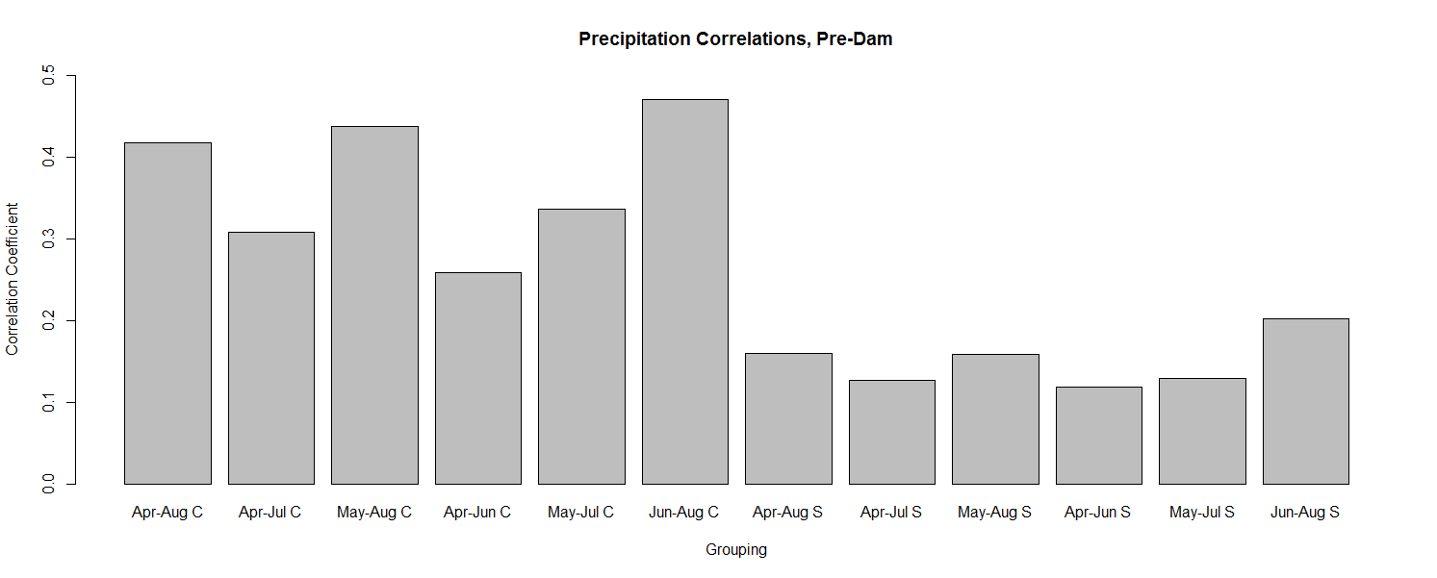

 |  |  |  |  |  | Precipitation Correlations, Pre-Dam
 |  | Cross Ranch |  |  |  |  |  |  | Smith Grove
Apr - Aug | Apr - Jul | May - Aug | Apr - Jun | May - Jul | Jun - Aug |  | Apr - Aug | Apr - Jul | May - Aug | Apr - Jun | May - Jul | Jun - Aug
0.4183544 | 0.3085574 | 0.4381439 | 0.2582473 | 0.3369574 | 0.4704017 |  | 0.1595496 | 0.1269344 | 0.1583682 | 0.1186999 | 0.1285365 | 0.2021563

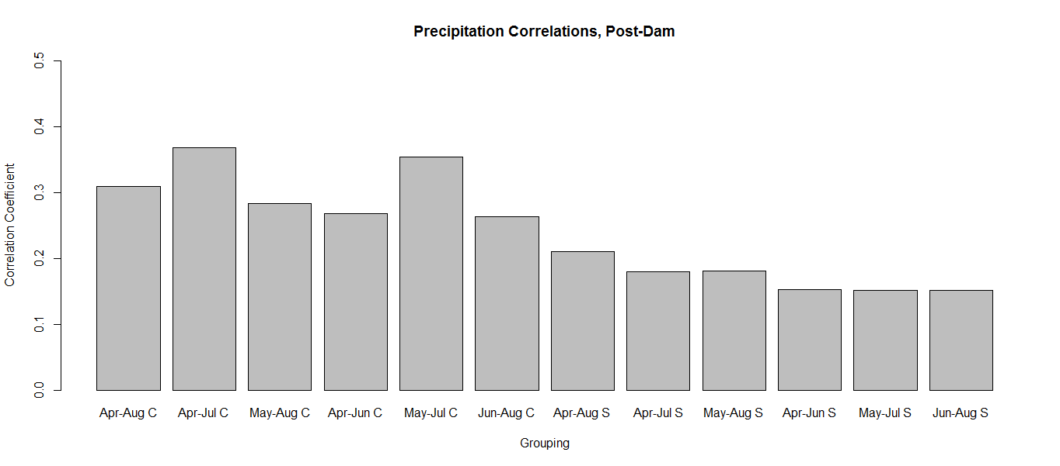

 |  |  |  |  |  | Precipitation Correlations, Post-Dam
 |  | Cross Ranch |  |  |  |  |  |  | Smith Grove
Apr - Aug | Apr - Jul | May - Aug | Apr - Jun | May - Jul | Jun - Aug |  | Apr - Aug | Apr - Jul | May - Aug | Apr - Jun | May - Jul | Jun - Aug
0.3089286 | 0.3685745 | 0.2834915 | 0.2686207 | 0.3544674 | 0.2631363 |  | 0.2108891 | 0.1796184 | 0.1809785 | 0.1525838 | 0.1512365 | 0.1512919

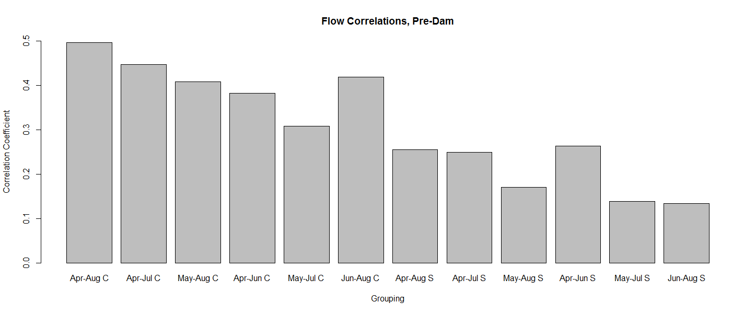

 |  |  |  |  |  | Flow Correlations, Pre-Dam
 |  | Cross Ranch |  |  |  |  |  |  | Smith Grove
Apr - Aug | Apr - Jul | May - Aug | Apr - Jun | May - Jul | Jun - Aug |  | Apr - Aug | Apr - Jul | May - Aug | Apr - Jun | May - Jul | Jun - Aug
0.4971777 | 0.4467524 | 0.4085263 | 0.3818666 | 0.3080119 | 0.4187878 |  | 0.2551722 | 0.2487338 | 0.1704093 | 0.2636569 | 0.1387393 | 0.1339963

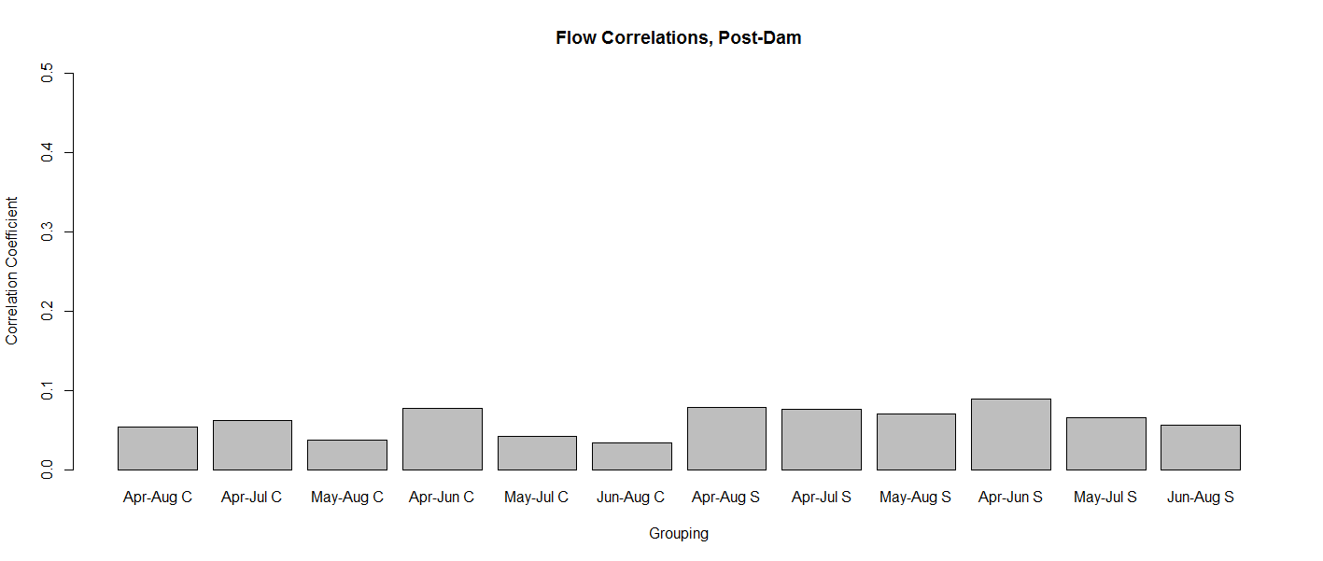

 |  |  |  |  |  | Flow Correlations, Post-Dam
 |  | Cross Ranch |  |  |  |  |  |  | Smith Grove
Apr - Aug | Apr - Jul | May - Aug | Apr - Jun | May - Jul | Jun - Aug |  | Apr - Aug | Apr - Jul | May - Aug | Apr - Jun | May - Jul | Jun - Aug
0.05361817 | 0.06184767 | 0.03770795 | 0.07774888 | 0.04235893 | 0.03398709 |  | 0.07880945 | 0.07628602 | 0.07058608 | 0.08918849 | 0.06599565 | 0.05647828

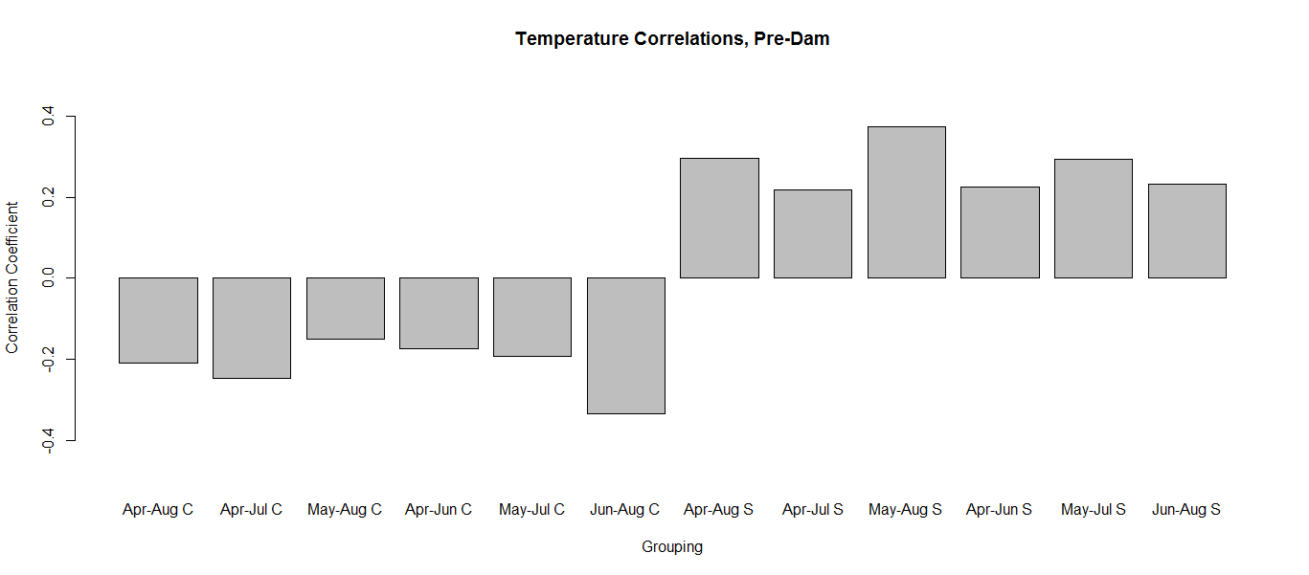

 |  |  |  |  |  | Temperature Correlations, Pre-Dam
 |  | Cross Ranch |  |  |  |  |  |  | Smith Grove
Apr - Aug | Apr - Jul | May - Aug | Apr - Jun | May - Jul | Jun - Aug |  | Apr - Aug | Apr - Jul | May - Aug | Apr - Jun | May - Jul | Jun - Aug
-0.2095681 | -0.2463414 | -0.1507588 | -0.1732626 | -0.1917077 | -0.3329412 |  | 0.2944702 | 0.2177684 | 0.3731352 | 0.225544 | 0.2930812 | 0.2321437

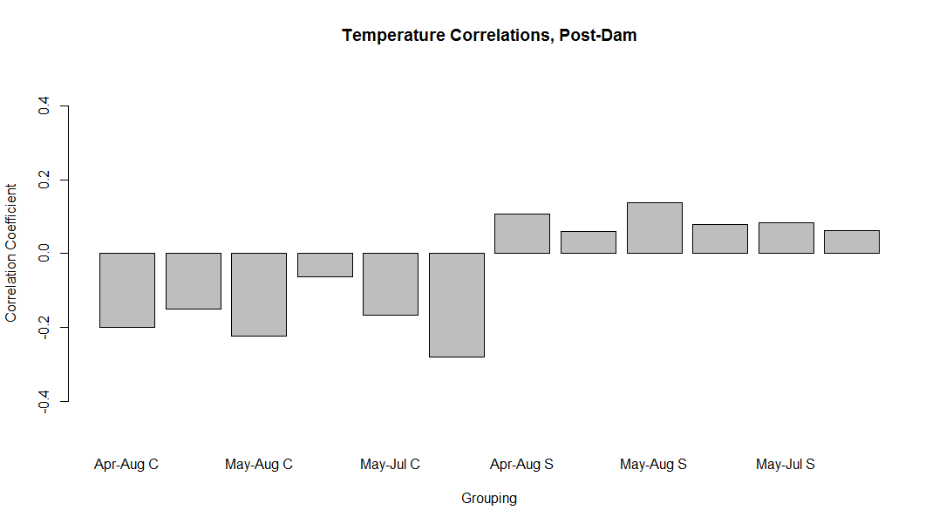

 |  |  |  |  |  | Temperature Correlations, Post-Dam
 |  | Cross Ranch |  |  |  |  |  |  | Smith Grove
Apr - Aug | Apr - Jul | May - Aug | Apr - Jun | May - Jul | Jun - Aug |  | Apr - Aug | Apr - Jul | May - Aug | Apr - Jun | May - Jul | Jun - Aug
-0.19934236 | -0.15027828 | -0.22183367 | -0.06376232 | -0.16554804 | -0.28012473 |  | 0.10628427 | 0.06101608 | 0.13832441 | 0.07945607 | 0.08448801 | 0.06298685

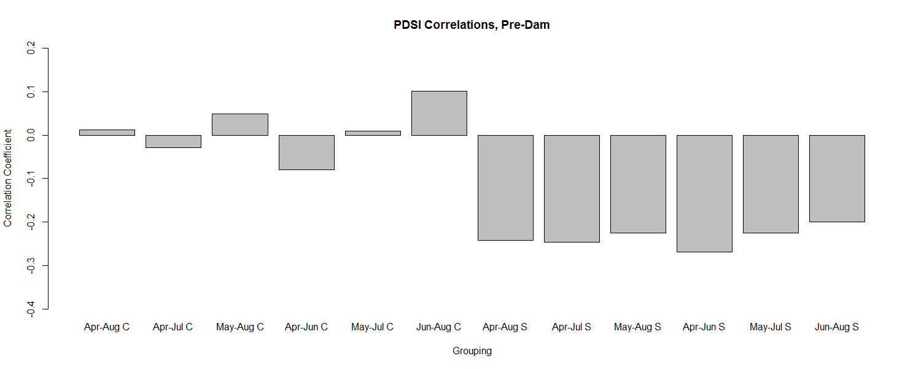

 |  |  |  |  |  | PDSI Correlations, Pre-Dam
 |  | Cross Ranch |  |  |  |  |  |  | Smith Grove
Apr - Aug | Apr - Jul | May - Aug | Apr - Jun | May - Jul | Jun - Aug |  | Apr - Aug | Apr - Jul | May - Aug | Apr - Jun | May - Jul | Jun - Aug
0.01233647 | -0.02902838 | 0.04913426 | -0.07995984 | 0.01008895 | 0.10140035 |  | -0.24271978 | -0.24668023 | -0.22529889 | -0.26974744 | -0.22581265 | -0.2004566

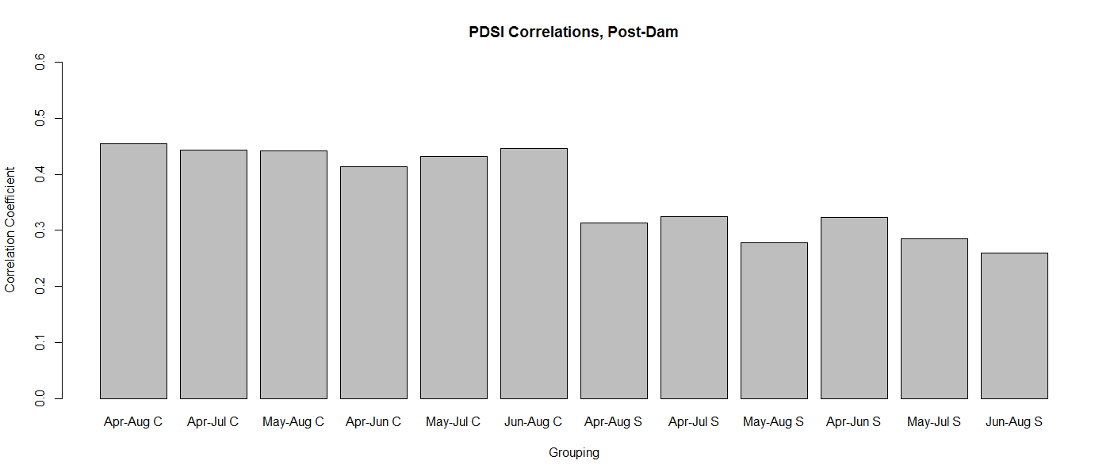

 |  |  |  |  |  | PDSI Correlations, Post-Dam
 |  | Cross Ranch |  |  |  |  |  |  | Smith Grove
Apr - Aug | Apr - Jul | May - Aug | Apr - Jun | May - Jul | Jun - Aug |  | Apr - Aug | Apr - Jul | May - Aug | Apr - Jun | May - Jul | Jun - Aug
0.4545192 | 0.443852 | 0.4425102 | 0.413708 | 0.4314939 | 0.4458439 |  | 0.312734 | 0.3242139 | 0.2781751 | 0.3227947 | 0.2846428 | 0.2594663

